GOGO Cargo
 |  |  |  |  | 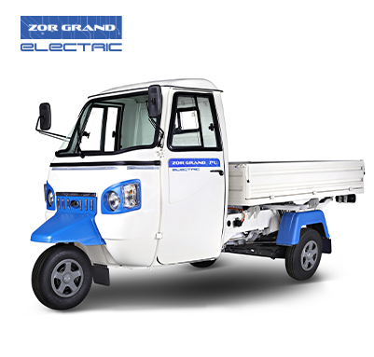 | 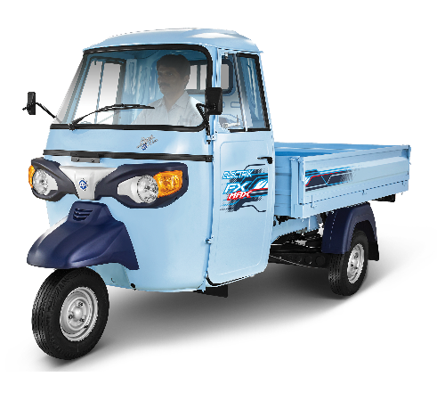 | 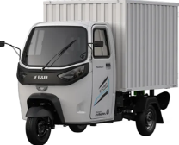 |  
Parameters to compare |  | GoGo C9009 | GoGo C9012 | TVS King Kargo HD | Mahindra Treo Zor Grand | Piaggio Ape E-Xtra | Euler HiLoad EV | OSM Rage+ | Altigreen neEV
Ex-showroom |  |  |  | 3.85 lakh | 3.58 lakh | 3.2 lakh | 3.94 lakh | 3.7 lakh | 3.6 lakh
Veh. Dim. & Wts | Dimensions (LxWxH) (mm) | 3244 x 1492 x 1832 | 3244 x 1492 x 1832 | 3565 x 1530 x 1860 | 3425 x 1460 x 1755 | 3315 x 1490 x 1770 | 3400 x 1460 x 1800 | 3200 x 1450 x 2100 (DV) | 3220 x 1500 x 1700
 | Kerb weight (kg) | 561 | 593 | 541 |  | 480 | 656 | 460 | -
 | Wheelbase (mm) | 2274 | 2274 | 2310 | 2200 | 2100 | 2120 | 2120 | -
 | Ground clearance(mm) | 180 | 180 | 235 | 180 | 220 | 300 | 175 | 220
Performance | Battery Capacity (kWh) | 9.2 | 12.2 | 8.9 | 10.24 | 8 | 13(LC) | 10.8 | 11
 | Certified Range (km) | 159 | 199 à 207 | 156 | 158 | 115 (On road) | 170 | 151 | 151
 | Gradeability (%) | 34 | 34 | 28.7 | 20.34 | 19 | 21 | 16 | 18
 | Top speed (km/h) | 40 | 40 | 60 | 50 |  | 45 | 45 | 53
 | Drive modes | ECO, POWER – Standard CLIMB, PARK ASSIST |  | Eco, City, Power | ECO/ BOOST | 2 modes | 1 mode | 2 modes | 2 modes
 | Motor power (kW) | 4.5 (Cont.) | 5.5 (Cont.) | 11.2 | 12 | 9.55 | 10.96 | 9.55 | 8.25
 | Motor torque (Nm) | 36 à 40 | 36 à 40 | 40 | 50 | 45 | 85.55 | 630 Nm (wheel) | 45
 | Transmission | 2 Speed AMT |  | 2 Speed
Charging | Charger | 2.2 kW | 2.2 à 3 kW | 3 kW | 2.2kW | 3 kW | 3 kW | 3 kW | 3 kW
 |  | on-board | on-board | Off board | offboard | off-board | on-board | off-board | off-board
 | Charging Time | 4 hr 30 min | 5hr 30 min à 4hr 30 min | 3 hrs 10 min | 4 hr 30 min | 3 hr 45 min | 4hr | 3 hr | 3 hr 30 min
Other Features | Instrument Cluster | Digital LCD display |  | Digital LCD with bluetooth | Digital LCD | Digital LCD | Digital LCD | Digital LCD | Digital LCD
 | Reverse parking sensor | Yes- via TecPac |  |  | No | No | No | No | No
 | USB Charger | Yes | Yes | Yes | No | No | Yes | Yes | Yes
 | Hill Hold assist | Yes | Yes |  | Yes | Yes | - | - | -
 | Steering | Fork Type |  |  | Offset column | Offset column | Fork | Offset column | Fork type
 | Drive shaft | CV Shaft |  | CV shaft | Rubber coupling | Rubber coupling | CV shaft | Rubber coupling | CV shaft
 | Tyre | 130/80 R12 (Radial) |  | 130/80 R12 90F | 4.50 X 10” 8PR | 130/80 R12 (Radial) | 5.5-12' 145 R12 (Radial) | 4.5 -10 , 8 PR | 145 – R12 (Radial)
 | Tray Size | 1840 X 1424 |  | 2011 | 1825 x 1397 | 1830 x 1400 | 1830 x 1430-DV | 1730 x 1500 | 1750 x 1450
 | Delivery Van Volume | 170 ft 3 |  | 192 cubic ft | 120 ft 3 | - | 123 ft 3 | - | 177 ft 3
 | Mobile docking | On Handlebar |  |  | No | No | On Handlebar | No | On Dashboard
 | Front Fascia | Painted |  |  | Pigmented | Black | Black | Black | Black
 | Wheel Cover | All wheels |  |  | All wheels | No | No | No | No
Mobile app based configurable features | Geofencing based remote immobilization | Yes- via TecPac |  | Geo-fencing | No (Geofencing only) | No | No | No | No
 | Remote Immobilization |  |  |  | Yes | No | No | No | No
 | Overspeed alert |  |  |  | No | No | No | No | No
 | Speed Limiter |  |  |  | No | No | No | No | No
 | Share live location |  |  | Yes | Yes | No | No | No | No
Telematics | Availability | Yes |  |  | Yes | Yes | Yes | Yes | Yes
Lighting & safety | Lamp setup | LED |  | LED | Halogen | Halogen | Front: Halogen | Front: Halogen | Halogen
 |  |  |  |  |  |  | Rear: LED | Rear: LED
 | Signature lamp | Yes |  |  | No | No | No | No | No
 | Roll over detection | Yes |  |  | - | - | - | - | -
 | Auto hazard | Yes |  |  | - | - | - | - | -

Differentiator
 |  |  |  | 3 Side openable loading deck | 506 kg loading capacity |  | 688kg loading capacity
 |  |  |  | Heat shield in cabin, reduction of 6 degree celcius temp. | Best gradebility |  | Highest torque
 |  |  |  | Warranty 6 years, 1.5 lakh km | Warranty 5 years, 1.2 lakh km | Warranty 5 years, 2 lakh km
 |  |  |  | Rolling windows
 |  |  |  | Twin axis ORVM
 |  |  |  | LED tail lamp
 |  |  |  | Lead spring suspension
 |  |  |  | 500mm water wadding
 |  |  |  | Bluetooth

260cc Cargo CNG
 |  | 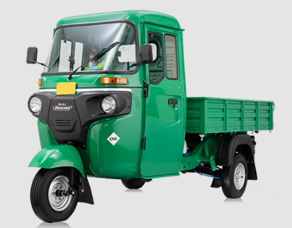 |  | 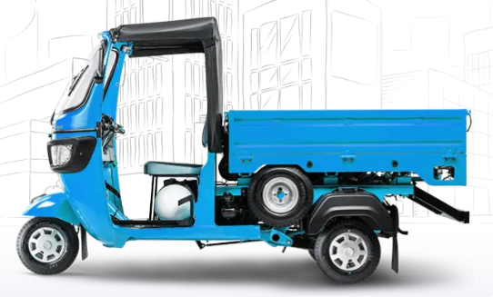 | 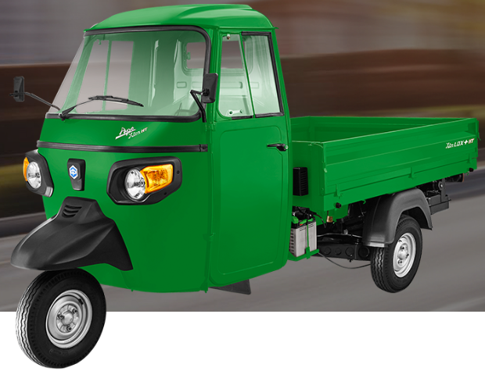 | 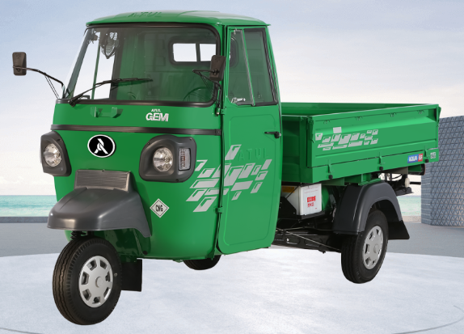 | 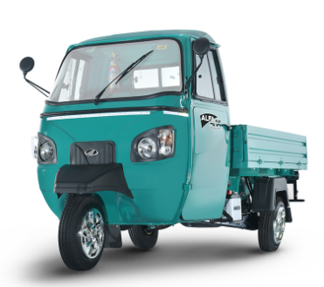
 | Parameter | Maxima Cargo 260cc LC |  | TVS King Kargo | Piaggio Ape Xtra | Atul Gem Cargo Aqua 6F | M&M Alfa Plus
 |  | Reg. Tray | Longer Tray |  | LDX HT
 | Ex-showroom |  |  | 2.74 lakh | 2.55 lakh | 2.66 lakh | 2.6 lakh
 | Vehicle L x W x H | 3230 x 1490 x 1818 | 3420 x 1490 x 1818 | 3010 x 1350 x 1720 | 3315 x 1490 x 1770 | 3260 x 1550 x 1700 | 3210 x 1460 x 1815
 | Wheel Base / Track | 2125 / 1250 |  | 1990/1150 | 2100 / 1250 | 2105/ 1260 | 2165
 | Displacement (cc) | 257.84 |  | 225.8 | 305.2 | 395 | 395
 | Valve per cylinder | 4 |  |  | 2 |  | 4
 | Max. Power (Ps @ RPM) | 11.62 @ 4250 |  | 9.39 @ 5000 | 11.43 @ 4100 | 7.25kW @3400 | 9.51 @ 3400
 | Max. Torque (Nm @ RPM) | 21.17 @ 3250 |  | 15.5 @ 3000 | 23.26 @ 2900 | 24.5 @ | 23 @ 2200
 | Starting System | ISG |  | ISG and Hand starter | Starter Motor |  | Starter Motor
 | No. of gears | 4F+1R |  | 4F+1R | 5F+1R | 4F+1R | 5F+1R
 | Cooling system | Liquid Cooled |  | Liquid Cooled |  | Liquid cooled | Liquid Cooled
 | Gradability | 25.2 % (14.1 Deg) |  | 10 Deg | 25.4 % (14.2 Deg) |  | 17.9 % (10.2 Deg)
 | Limp home tank | 2.6L |  | 3L | 2.8L | 2.8L | No
 | Tyre | 130/80 R12C Tubeless |  | 4.0 x 8" 6PR | 4.50 x 10” 8PR | 4.50 x 10” 8PR | 4.50 x 10” 8PR
 | Ground Clearance | 204 mm |  | 169 | 235 mm | 255 mm | 175 mm
 | Drive Shaft | CV Shaft |  | CV shaft | Propeller shaft + Rubber coupling | Propeller shaft + Rubber coupling | Propeller shaft + Rubber coupling
 | Reverse Gear detent | On Handle bar |  | Under dashboard | Under dashboard | Under dashboard | Under dashboard
 | Music system provision | Yes |  | Yes | No | No | Yes
 | Spare wheel location | Below Driver seat |  | LH side behind cabin | Below Load tray | Below Load tray - RH | RH side behind cabin
 | Mobile docking provision | Yes (on handle bar) |  | No | No | No | Yes (Dashboard)
 | Load Tray inside dimn. | 1650 x 1425 | 1840 x 1425 | 1500 x 1300 | 1829 x 1400 | 1870 x 1510 | 1730 x 1460

Differentiator
 |  | Reverse in handle bar |  | 3 Side openable loading deck | 100000 kms / 36 months | 36 months | 120000 kms/ 48 months
 |  | IDSS |  | Heat shield in cabin, reduction of 6 degree celcius temp. | Clutch life -30000 kms | Air cooling cabin fan
 |  | 40000 kms/ 12 months |  | Warranty 36 months, 1 lakh km
 |  | 1250 Kg load carrying capacity |  | Largest utility box -50L

